Dashboard
s
Nigerian Car Market

Average Vehicle Metrics: Nigerian Car Market
Location: Nigeria - Africa
₦8.9M
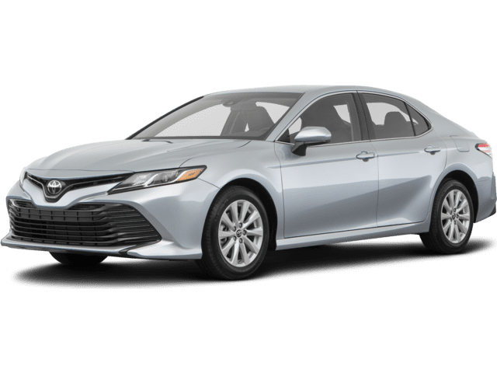
28K
(km)
248
(hp)
3.2K
(cc)
Price
Mileage
Horse power
Engine Size

 | Total
Acura | 13
Ford | 24
Honda | 19
Hyundai | 22
Lexus | 54
Mazda | 13
Mercedes-Benz | 60
Nissan | 16
Toyota | 187
Volkswagen | 13
Top 10 Most Popular Car Models in Nigeria

 | Total
Beige | 4
Black | 116
Blue | 42
Brown | 6
Gold | 13
Gray | 89
Green | 12
Red | 54
Silver | 81
White | 70
 | Total
Automatic | 2702
Manual | 171
Naija Drivers' Choice: Automatic or Manual?
Which Color Wins? Top 10 Picks for Nigerian Cars

Insights on Pricing, Mileage, and Performance: Sourced from Car45.com

